KN95 Mask
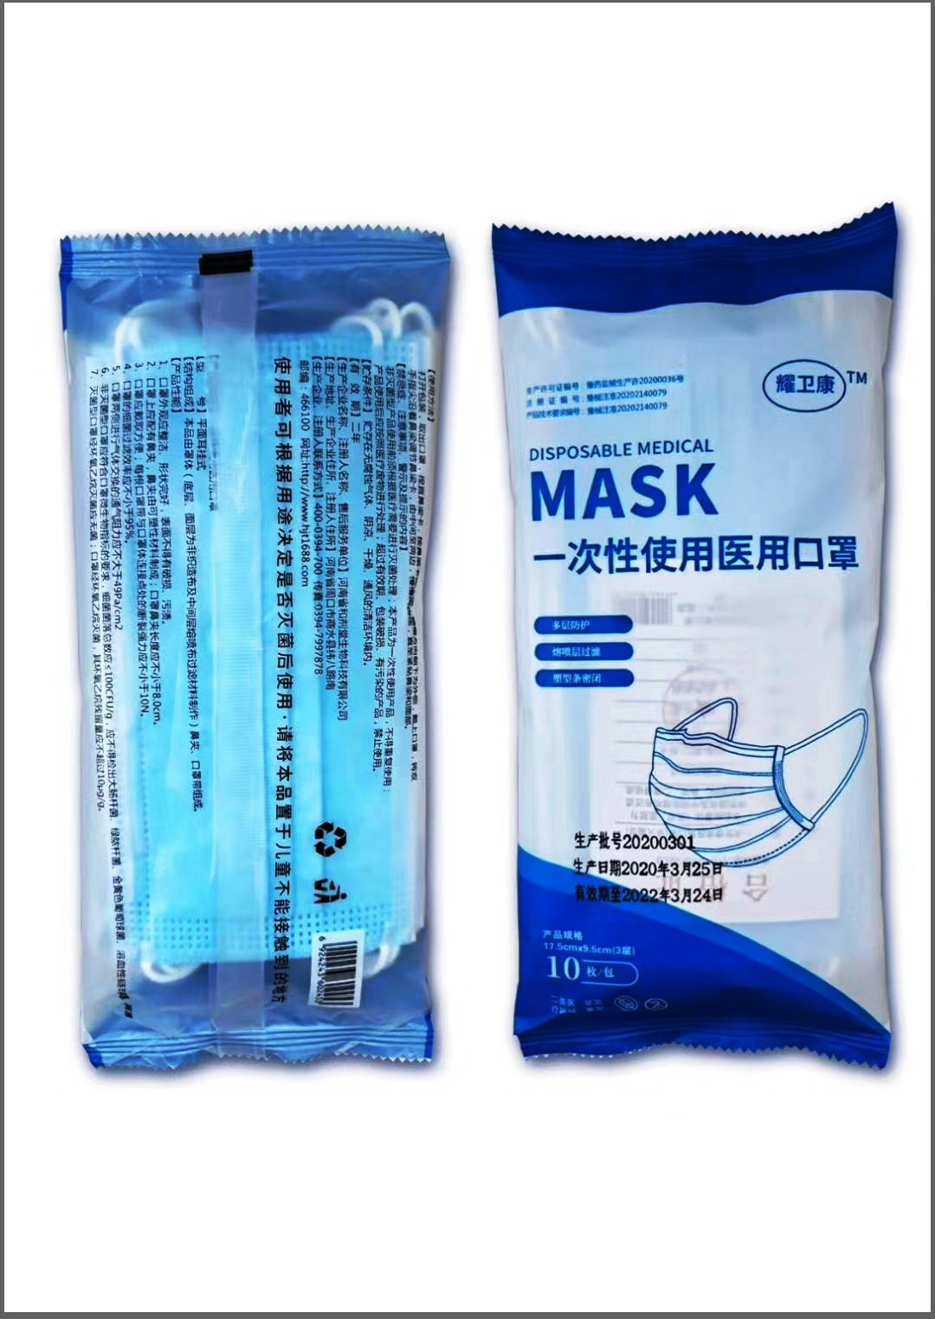
Product Name | Specifications | Unit | Price | Packing/Weight Des.
Disposable Medical Mask | Mask Size:17.5cm*9.5cm (For Adult) Non-Sterlize Mask layers: 3 1-: non-woven fabric 2-: melt blown cloth 3-: non-woven fabric Standard: EN14683:2005 | pcs | ￥1.60 | 10pcs/bag 100bags/carton Carton Size: 57*30*53cm GW: 9.7kg

